TS SFD GINGER DRINK


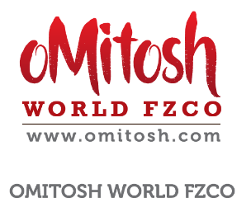
PRODUCT DEVELOPMENT FORM
( PDF )
Brand : TROPICANA SLIM
SWEETENER
Author |  |  |  | : | Brenda
 |  |  | Date | : | 10-Aug-20
0
REVISION |  |  | Project name | : | TS SFD GINGER DRINK
 |  |  | Country | : | KUWAIT
 |  |  | Reference regulation | : | SFDA
 |  |  | Third party inspection | : | NO

 |  |  | Product launch name | :
 |  |  | Type | X | new product
 |  |  |  |  | existing product to new country
 |  |  |  |  | exsisting product reformulation
 |  |  |  |  | renewal exist product

Consumer Target
- Age | :
- SES | :
- Gender | : | Male/Female
- Others | :

Background / Insight | : | ginger as a natural ingredients soaring up as covid cases elevates

Attracttiveness | : | great taste, sugar free, sehempas stevia

Target RTO (ready to Order) | : | 1000 ctns/year

Forecast | :

Competitors
- Name | :
- Retailer Price | :
- What's Special | :
- Photo | :

Product Concept
- Weight / serving | :

- Target NFI price / ctn | : | max as TS SFD Cappuccino
- Claim / Function | :
- Special Ingredients | :

Packaging Concept
- Primary | : | sachet, xx g
- Secondary | : | dus, 8 sachets
-Tertiary | : | carton, 12 dus

